INSTRUCTIONS
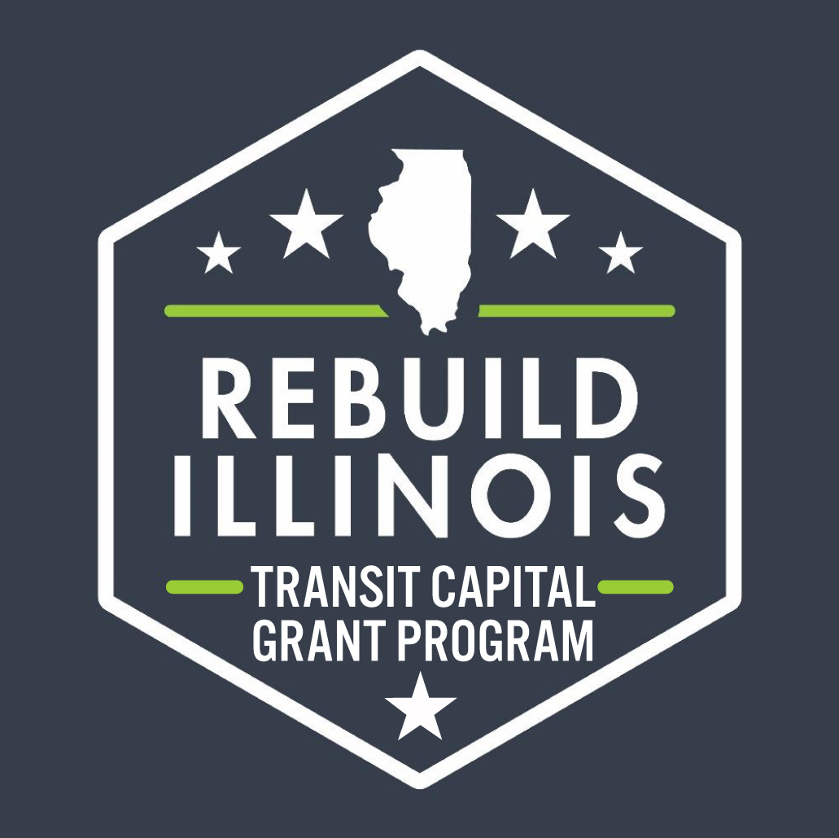
GRANT FUNDING APPLICATION Round 3

 |  | Project Schedule, Budget, & Cash Flow Statement

In 2021, as part of the Rebuild Illinois Capital Program, the state of Illinois appropriated funds for the purpose of providing capital grants to downstate public transit agencies. This Project Schedule, Budget, and Cash Flow Statement is required as part of the third round of applications for Rebuild capital funding. Your application for funding will not be considered complete and will not be reviewed if this spreadsheet is not completed and emailed to IDOT. Please follow the instructions below.

GENERAL INFORMATION
Cells are color-coded for data entry as follows:
 | User input via typing or selecting from a dropdown
 | Autopopulated cell (based on user input)

SUBMISSION INFORMATION

When complete, save each file using the format [Agency Name]_[Project Short Name]_[Date Submitted - MMDDYYYY] E.g., Champaign_Expansion Bus_07312022

Submit completed spreadsheets to the IDOT Transit Capital Bureau by attaching this file in an email to DOT.CH.OIPITransitDocs@illinois.gov

Contact Nicholas Haddad at Nicholas.Haddad@illinois.gov for questions about the Rebuild Illinois Program; or Jared Gulbranson at Jared.Gulbranson@wsp.com for technical questions about the application form.

